US23 Sprint 5
 | Test Scenarios for SimpCity
 | Test Cases Creation |  |  | System Testing (TDA) |  |  | User Acceptance Testing |  | Team
 | User Stories: | US23 - As a user, I want to be able to look at the leaderboard from the main menu so that I can see the top-10 scores. |  | Version Control: | V1 |  | Version Control: | V1 | Scrum Master: | Megan Png
 | Created By: | Hui Ying |  | Tester: | Hui Ying |  | User: | Mr Low | Tech Lead: | Claris
 | Status: | Done |  | Status: | Done |  | Status: | Done | QA: | Hui Ying
 | Dated as of: | 13-Feb-22 |  | Test Date: | 14-Feb-22 |  | UAT Date: | 14-Feb-22 | Developer: | Amanda Chan
 | Reviwed By: |  |  | Reviwed By: |  |  | Reviwed By:
 | Tech Lead | Claris |  | Scrum Master | Megan |  | Scrum Master: | Megan
 |  |  |  | Tech Lead | Claris |  | Tech Lead: | Claris
 |  |  |  |  |  |  | QA: | Hui Ying
 |  |  |  |  |  |  | Developer: | Amanda

S/NO | Test Scenario | Test Scenario Description | Test Values | Expected Outcome | Boundary? Equivalence? | Functional? Non-Functional? | Pass/ Fail | Actual Outcome | Test Result (Pass / Fail) | Remarks
1 | The user has run the program and the main menu is displayed to the users. The users would like to look at the leaderboard from the main menu so that the user can see the top-10 scores. by selecting the option "3. Show high score:" when the message "Your Choice?" is prompted. | 1. The user selects the option "3. Show High Score" when the message "Your Choice?" is prompted 2. The users will be able to check if their record is in the top-10 score | Before: The user starts the program and have played the game at least once |  | Boundary
 |  |  | 1. The user selects the option "3. Show High Score" when the message "Your Choice?" is prompted --> Your Choice? 3 After: Leaderboard will be displayed to the user with the Pos number, Player name as well as the score attain for each player | Leaderboard will be displayed to the user with the Pos number, Player name as well as the score attain for each player |  | Functional | Pass | 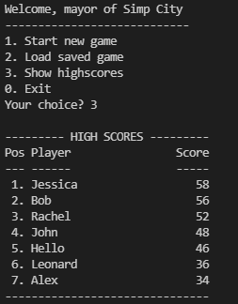 | Pass
2 | The user has run the program The users wants to check the leaderboard from the main menu but enters an option that is not in the main menu to exit the program | 1. When the message "Your Choice? " is prompted the users enter a value that is not in the main menu. "Your Choice? aa" 2. An error message will be displayed to the users to the notify the users of an invalid input and the message "Your Choice? will be prompted again. | 1. The user enters an option that is not in the main menu. "Your Choice? aaa" 2. An error message will be displayed to the users to the notify the users of an invalid input and the message "Your Choice? will be prompted again. | An error message will be displayed to the users to the notify the users of an invalid input and the message "Your Choice? will be prompted again. |  |  | Fail | 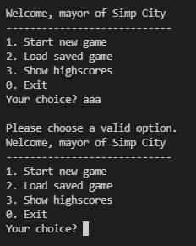 | Pass
3 | The users enters a option that is in within the main menu but did not select the "option 3, Show high score". | 1. When the message "Your Choice? " is prompted the users enter a value that in the main menu. "Your Choice? 1" 2. The program will process the options as accordance | 1. When the message "Your Choice? " is prompted the users enter a value that in the main menu. "Your Choice? 1" 2. The program will process the options as accordance E.g. "Your Choice? 1" 3. The users will start a new game, the configure menu will be printed and the message "Your Choice? will be prompted again. | The ooptions entered will be processed as accordance. E.g "Your Choice? 1" The user will not be able to see the leaderboard, instead the user will start a new game instead |  |  | Pass | 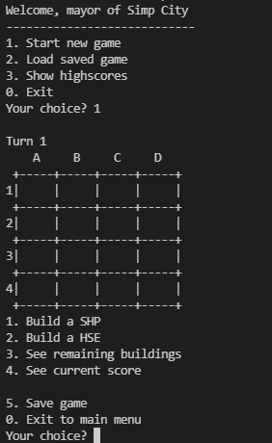 | Pass
 | There was no record of the game being played, hence there are no high score record in the system | 1. The user selects the option "3. Show High Score" when the message "Your Choice?" is prompted 2. The users will see a empty leaderboard. | Before: The user did not play the game before 1. The user selects the option "3. Show High Score" when the message "Your Choice?" is prompted --> Your Choice? 3 After: An empty leaderboard will be displayed to the user with the columns like Pos number, Player name as well as the score. | An empty leaderboard will be displayed to the user with the columns like Pos number, Player name as well as the score. |  |  | Pass |  |  | Test Scenario Void Reason: Leaderboard will be preset

